Sheet1
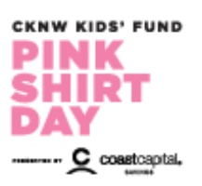 | 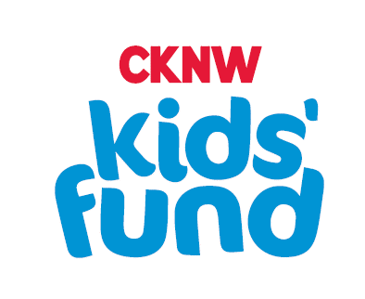 SURREY PINK SHIRT DAY ORDER FORM

In 2007, two Nova Scotia senior high school students witnessed a grade 9 boy being bullied for wearing a pink shirt. The next day, they bought 50 pink shirts and rallied together in pink, and Pink Shirt Day was born. Every year CKNW Orphans' Fund encourages everyone to rally together in their Pink Shirts in February. To date we've raised more than $1.2 million for anti-bullying programs with the sales of Pink Shirt Day t-shirts.

Student Name: | ___________________________________________ |  |  | Parent/Guardian: | ___________________________________________
Home Phone: | ___________________________________________

 |  | SIZE | A | B | C | ADULT SIZE CHART
 |  | S | 18" | 28" | 15.63" | A - WIDTH
 |  | M | 20" | 29" | 17" | B - HEIGHT
 |  | L | 22" | 30" | 18.5" | C - SLEEVE CENTRE BACK
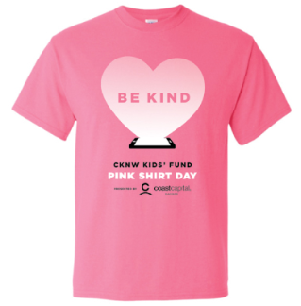
 |  | XL | 24" | 31" | 20"
 |  | 2XL | 26" | 32" | 21.5"
 |  | 3XL | 28" | 33" | 22.88"
 |  | TOL. | +/- 0.75" | +/- 1" | +/- 0.75"

 |  | SIZE | A | B | C | YOUTH SIZE CHART
 |  | XXS | 14" | 18" | 11.5" | A - WIDTH
 |  | S | 16" | 20.5" | 13.5" | B - HEIGHT
 |  | M | 17" | 22" | 14.5" | C - SLEEVE CENTRE BACK
 |  | L | 18" | 23.5" | 15.5"
 |  | XL | 19" | 25" | 16.5"
 |  | TOL. | +/- 0.5" | +/- 1" | +/- 0.75"
 |  | enter desired quantity in the table below
 |  | ADULT |  | YOUTH
 |  | SIZE | QUANTITY | SIZE | QUANTITY
 |  | Adult S |  | Youth XS
 |  | Adult M |  | Youth S
 |  | Adult L |  | Youth M
 |  | Adult XL |  | Youth L
 |  | Adult 2XL |  | Youth XL
 |  | Adult 3XL

 |  | TOTAL ADULT | 0 | TOTAL YOUTH | 0

 |  | x $8.95 | $0.00 | x $7.95 | $0.00

 |  |  |  | TOTAL AMOUNT ENCLOSED ($) | $0.00

REMIT FORMS TO ______________________________ BY JANUARY 9th.

